Hoja1
Método Jacobi

x1 | x2 | x3 | x4 | = |  | x1 | x2 | x3 | x4
10 | 1 | 2 | -1 | 3 | 0 | 0 | 0 | 0 | 0 | Em (1,2,3,4)
-2 | 10 | 1 | -1 | 4 | 1 | 0.3 | 0.4 | 0.7 | 0.4 | 0.7 | 0.3 | 0.4 | 0.7 | 0.4
2 | 3 | -10 | -2 | -7 | 2 | 0.16 | 0.43 | 0.8 | 0.11 | 0.29 | 0.14 | 0.03 | 0.1 | 0.29
3 | -2 | 4 | 10 | 4 | 3 | 0.108 | 0.363 | 0.839 | 0.118 | 0.067 | 0.052 | 0.067 | 0.039 | 0.008
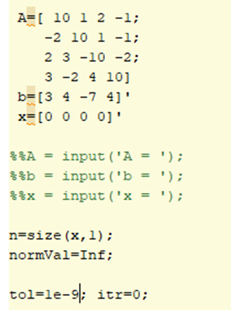
 |  |  |  |  | 4 | 0.1077 | 0.3495 | 0.8069 | 0.1046 | 0.0321 | 0.0003 | 0.0135 | 0.0321 | 0.0134
 |  |  |  |  | 5 | 0.11413 | 0.35131 | 0.80547 | 0.11483 | 0.01023 | 0.00643 | 0.00181 | 0.00143 | 0.01023
 |  |  |  |  | 6 | 0.115258 | 0.353762 | 0.805253 | 0.113835 | 0.002452 | 0.001128 | 0.002452 | 0.000217 | 0.000995
 |  |  |  |  | 7 | 0.1149567 | 0.3539098 | 0.8064132 | 0.1140738 | 0.0011602 | 0.0003013 | 0.0001478 | 0.0011602 | 0.0002388
 |  |  |  |  | 8 | 0.11473376 | 0.3537574 | 0.80634952 | 0.11372967 | 0.00034413 | 0.00022294 | 0.0001524 | 0.00006368 | 0.00034413
 |  |  |  |  | 9 | 0.114727323 | 0.353684767 | 0.806328038 | 0.113791544 | 0.000072633 | 0.000006437 | 0.000072633 | 0.000021482 | 0.000061874

 |  |  |  |  | x1 | 1.14727323 | 0.353684767 | 1.612656076 | -0.113791544 | 2.999822529
 |  |  |  |  | x2 | -0.229454646 | 3.53684767 | 0.806328038 | -0.113791544 | 3.999929518
 |  |  |  |  | x3 | 0.229454646 | 1.061054301 | -8.06328038 | -0.227583088 | -7.000354521
 |  |  |  |  | x4 | 0.344181969 | -0.707369534 | 3.225312152 | 1.13791544 | 4.000040027

